Dados Atualizados
MAIN WING |  |  | VEHICLE |  |  | TAIL
 |  |  |  |  |  |  |  |  |  |  | DRAG
AR | 8.3 |  | MTOW_matlab | 2282 | kg | S_vt | 1.68015821 | m^2 | (cada um, temos 2 VTs) |  | CD0 fuselage | 0.0242
Cl_alpha_perfil | 5.7296 |  |  |  |  |  |  |  |  |  | CD0 wing | 0.0085
area | 17.45075 |  | Component Masses |  |  | S_ht | 3.3653771375 | m^2 |  |  | CL | 0.34446872098
b_wing | 12.035 |  | Fuselage | 600 | kg | Span HT | 3 | m |  |  | CDi | 0.0056882887361
c_root | 1.45 |  | Main Wing | 215 | kg | AR_HT | 2.6742916566 |  |  |  | CD total | 0.038388288736
lambda | 1 |  | HT | 60 | kg | c med HT | 1.1217923792 | m |  |  | D | 2494.7877772 | N
 |  |  | VT | 40 | kg |  |  |  |  |  | L | 22386.42 | N | (esta conta é so pa confirmar que o CL tá certo)
MISSION PROFILE |  |  | Batteries | 152.2 | kg | l_fuselage | 10 | m |  |  | L/D | 8.9732762862
speed | 84 | m/s | ICE | 104 | kg | l_VT | 5 | m |  |  | D wing | 922.07208196 | N
h | 1500 | m | Propeller | 10 | kg | l_HT | 5 | m |  |  | L/D wing | 24.278383912
Temp at h | 278.5 | K | Motors | 48 | kg
density at h | 1.0555825 | kg/m^3 | Rotors | 160 | kg
sound speed | 334.5503164 | m/s | Fuel Tank | 25.12 | kg
 |  |  | Landing Gear | 60 | kg
mach_cruise | 0.2510833076 |  | Payload | 500 | kg
 |  |  | Cabin/Interior | 283 | kg
 |  |  | Gearbox | 5 | kg
 |  |  | Avionics | 65 | kg
 |  |  | Crew | 100 | kg
 |  |  | SUM | 2427.32 | kg
 |  |  | CHECK | 2281.696 | kg

 |  |  | AEW | 1802.2 | kg
 |  |  |  | 3973.1040564 | lb
Emissions |  |  |  |  |  |  |  | Rotors
Emissions/mission | 48.403361345 | kg Co2/mission |  |  |  |  |  | Number | 8
car emissions/300 km | 36 | kg Co2/mission |  |  |  |  |  | R | 1 | m
 |  |  |  |  |  |  |  | Nb | 6 | blades/rotor
EMISSIONS (para fazer o gráfico) |  |  |  |  |  |  |  | DL | 891 | N/m^2
Cycles | 714 |  |  |  |  |  |  | A | 25.125050505 | m^2
Battery production | 1.1 | ton CO2 |  |  |  |  |  | blade chord | 0.052351875 | m
Battery recharge | 9.64 | ton CO2 |  |  |  |  |  | rpm | 1298.9 | rpm
Fuel | 23.82 | ton CO2 |  |  |  |  |  | M tip | 0.4
Total | 34.56 | ton CO2 |  |  |  |  |  | solidity | 0.1
Noise | 74.16 | db |  |  |  |  |  | Noise | 74.160116 | dB
 |  |  |  |  |  |  |  | V_tip | 136 | m/s
Co2 emissions by source

Static margin
 |  | DADOS |  |  |  |  | CÁLCULOS
 |  | sweep_LE | 0 | rad |  | MÉTODO FORM PAER |  |  |  |  | Sht | 3.3653771375
 |  | Mach | 0.2510833076 |  |  |  | mach_eff | 0.2510833076 |  |  | Sw | 17.45075
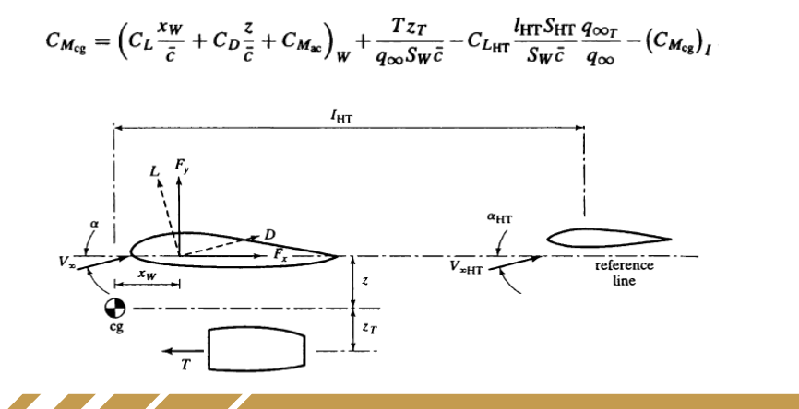
 |  | sweep_(t/c)_max | 0 | rad |  |  | beta | 0.96796548112 |  |  | lht | 5
 |  | AR_wing | 8.3
 |  |  |  |  |  |  | CL_alpha | 5.0733401707 |  |  | lw | 4.8
 | wing | Cl_alpha | 5.7296

 | wing | oswald | 0.8
 |  |  |  |  |  | MÉTODO AERO | wing:
 |  |  |  |  |  |  | CL_alpha | 4.4949781994
 |  |  |  |  |  |  | HT:
 |  |  |  |  |  |  | CL_alpha | 3.3987444019
 |  |  | HT | VT |  |  | VT:
 | tail | Cl_aa | 6.8755 | 6.8755 |  |  | CL_alpha | 2.2550111989
 |  | oswald | 0.8 | 0.8
 |  | AR | 2.6742916566 | 1.3351350827

x_w calc:
c_mean | 1.45
VHT | 0.665
nt | 0.95
de/da | 0.25
db/da | 1.6

dm/dt | 337.0596075 | kg/s | r | 0.83090984628
air_density | 1.0555825 | kg/m^3 | ^ for d e/d alpha
r_helice | 1.1 | m

 |  |  | Lht | 5 | (from tail design) |  |  |  |  |  | 2.7779114487
 |  |  | lw | 4.8 | (from CG Position)

 |  |  |  |  |  |  | 1.6103675819

 | x_np = |  |  | xw_np | 0.57970443323
 | 4.2202955668

x_cg = | 4.0752955668

 |  |  |  |  |  |  |  |  | lvt = lht | 5.7247044332

 | x_w_novo | 0.92470443323

 |  | Cmgcalpha | -1.0227941531

